Tabelle1
 | Supreme Italia

Pic | Amount | Size | Retail price | WHS
 | 319 | mixed sizes well sorted | 79.90 € | 36.90 €
 | 500 | mixed sizes well sorted | 79.90 € | 36.90 €
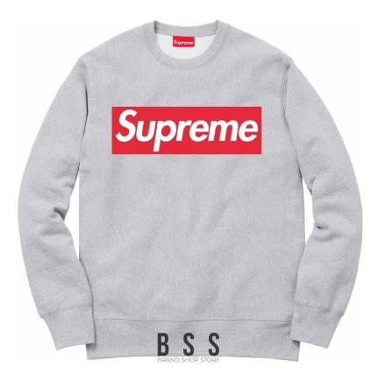 | 30 | mixed sizes well sorted | 79.90 € | 36.90 €
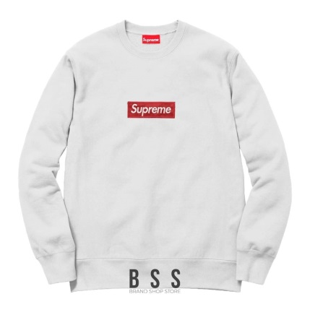 | 40 | mixed sizes well sorted | 79.90 € | 36.90 €
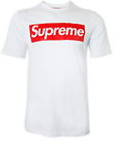 | 750 | mixed sizes well sorted | 39.90 € | 18.90 €
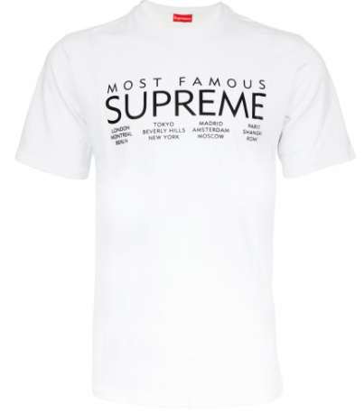 | 50 | mixed sizes well sorted | 39.90 € | 18.90 €
Total: | 1689

